Read me
Instructions for filling in and printin the list of medical devices (MDR)

The products or product categories applied for as well as the assessments applied for within the framework of the conformity assessment procedure are to be indicated in this "List of Medical Devices (MDR)". The list is to be provided with the application date and signed and forms an integral part of this contract.

The document to be submitted consists of two sheets, which must be filled in, printed and signed:
List of Medical Devices (MDR)
Critical Suppliers

Step 1: Completely fill in the above mentioned two sheets.

Step 2: Fill in the column "Product No." on the sheet "List of Medical Devices (MDR)" and the column "Supplier No." on the sheet "Critical Suppliers", starting with 1 and working upwards. Then remove empty lines using the filter function for the product no. and supplier no. by removing the checkmark for "(Blanks)" and confirming the selection with "OK". | 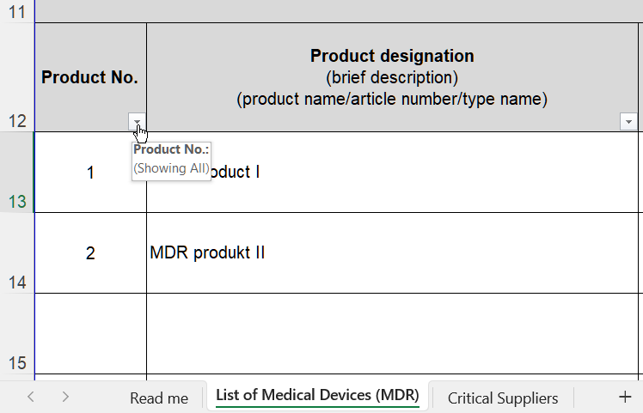

Step 3: Print, sign and send to the responsible project management. PRINT NOTE: Only the two sheets "Medical Device List (MDR)" and "Critical Suppliers" will be printed and submitted. For a continous page number, go to the sheet "List of Medical Devices (MDR)", hold down the CTRL key and click on the sheet "Critical Suppliers". Now both sheets are active. Then print the active sheets and make sure to select "Print active sheets" in the print settings. | 